Sheet1
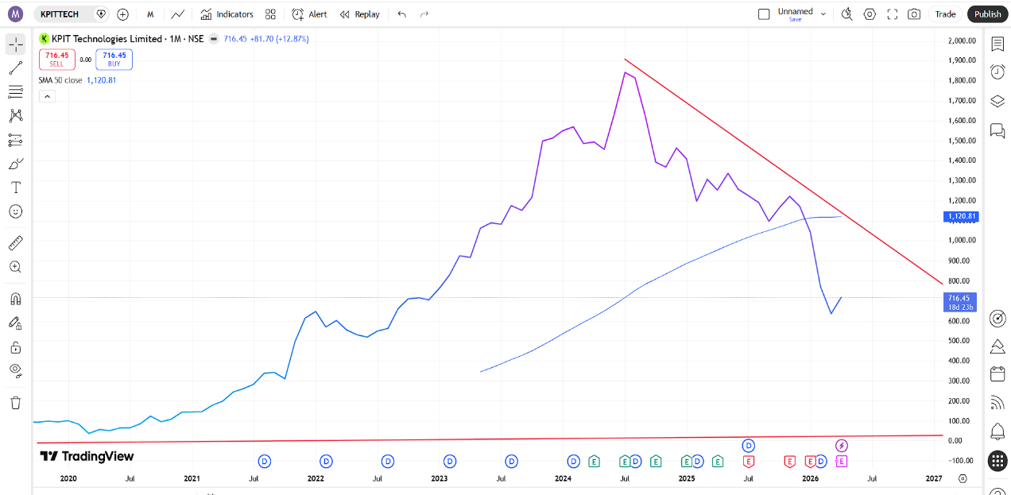
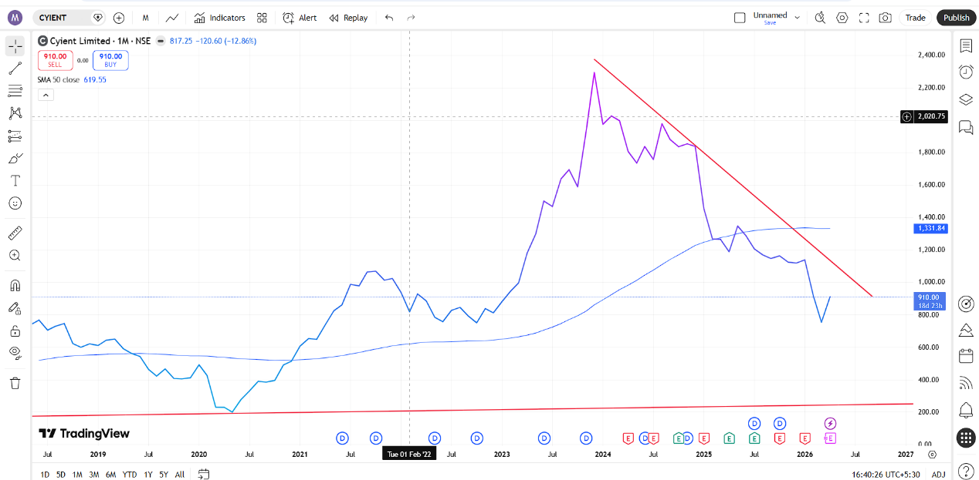
Company | Status | Trend | Recommendation | Company | Status | Trend | Recommendation
State Bank Of India | Above line | Uptrend | Hold/Buy | Bank Of Baroda | Above line | Uptrend | Hold/Buy
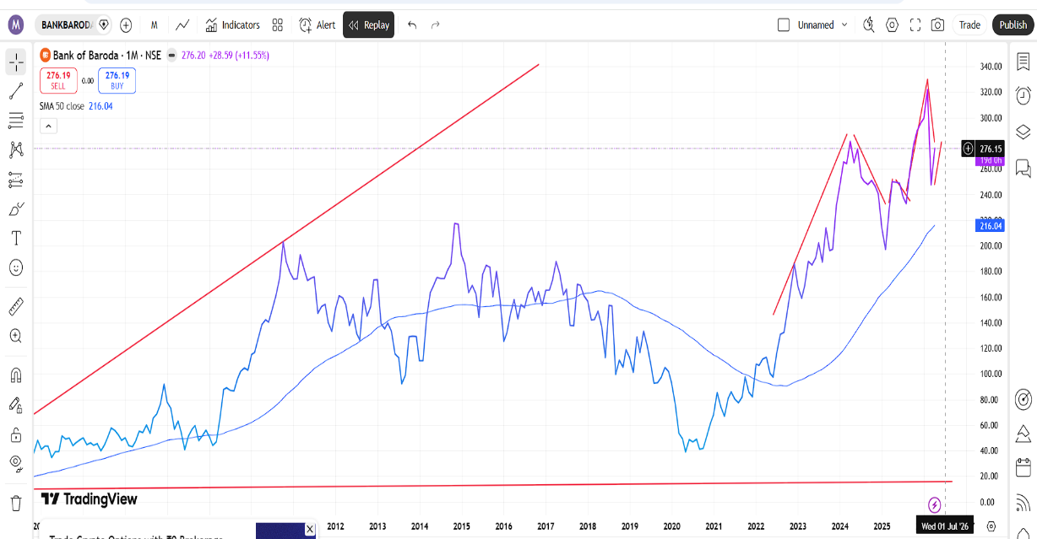
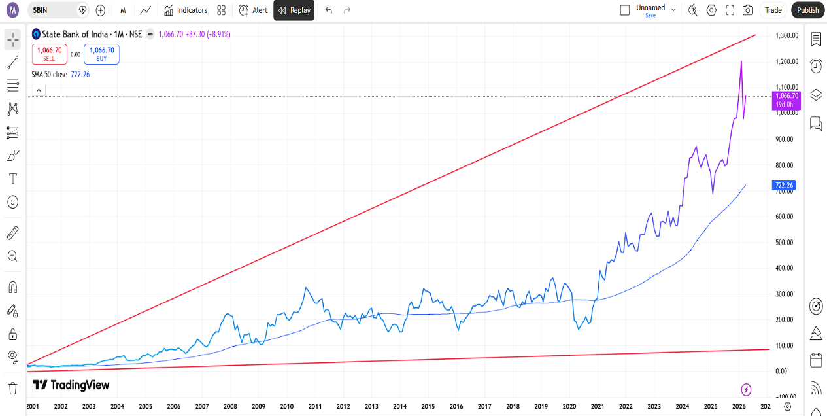

Company | Status | Trend | Recommendation | Company | Status | Trend | Recommendation
KPIT Technologies | Below line | Downtrend | Sell/Avoid | Cyient | Below line | Downtrend | Sell /Avoid

